1. Title Page
[Instacart Grocery Basket Analysis]

Project Name: Instacart Grocery Basket Analysis
Date: Tuesday 10, January 2023
Analyst Name: Stefania Daskalaki
Source: “The Instacart Online Grocery Shopping Dataset 2017”, Accessed from https://www.instacart.com/datasets/grocery-shopping-2017 on December 2022

Contents:
Population Flow
Consistency checks
Wrangling steps
Column derivations
Visualizations
Recommendations

2. Population Flow
Title page

Population flow

Exclusion flag
Condition: max_order <
Obervations to be removed:
Final total count of order_products_all:

Orders_products_combined
Orders_products_merged
Orders_products_all

Total: 3204859
Total: 32434489
Total: 3204859

1.) The grey boxes in the first row of the population flow represent the original data sets as they were when you downloaded them. In the Total fields you need to add the count of the rows when you imported the data set into Jupyter.
2.) The second row of boxes (coloured) represents the data sets after you manipulated them, e.g., removed missing values and duplicates. In the Total fields you need to add the count of the rows after conducting these operations. This offers a visual oveview of how the data flows throughout the data consistency checks.
3.) The third row, where also the arrows are coloured, represents the merges you performed between the datasets. In the Total fields you need to add the count of the rows in the merged datasets, so that you end up with the final dataset (in the red box). Keep in mind the final dataset should be without exclusions (based on the exclusion flag).

3. Consistency checks
 |  |  |  | Title page
Consistency checks

Dataset | Missing values | Missing values treatment | Duplicates
orders |  |  | no duplicates
products | 16 | since the percentage of missing values is way lower than 5% i choose to delete the 16 entries with product name missing values deleted
products |  |  | 5 full rows/ deleted
df_orders_products_combined

orders_products_prior
customers

4. Wrangling steps
 |  |  |  | Title page
Wrangling steps

Columns dropped | Columns renamed | Columns' type changed | Comment/Reason
eval_set |  |  | It doesn't have any relevant information to our project. The column contains only one type of label indicating that this was a dataset prior released from Instacart
 | order_dow = orders_day_of_week |  | Changed name to be easier to understand
 |  | order_id | changed variable's data type to optimise calculations
 |  | user_id | changed variable's data type to optimise calculations
 | orders_day_of_week = order_day_of_week |  | changed name to be more intuitive
Unnamed:01 & Unnamed:0 |  |  | df_orders_products_combined / dropped both as it was unecessary index columns transferred from previous merge
 |  | order_id | df_orders_products_combined / changed data type to string for saving memory
 |  | product_id | df_orders_products_combined / changed data type to string for saving memory
 |  | user_id | df_orders_products_combined / changed data type to string for saving memory
 |  | product_id | df_prods/ changed data type to string for saving memory
 |  | aisle_id | df_prods/ changed data type to string for saving memory
 |  | department_id | df_prods/ changed data type to string for saving memory
_merge |  |  | df_orders_products_combined / dropped the col in order to be able to combine df with df_prods

 |  | First Name | in df_customer from mixed data type column to string
 |  | user_id | df_customer changed from int64 to str to limit memory usage
 | First Name |  | changed to first_name for consistency
 | Surnam |  | changed to surname for consistency
 | Gender |  | changed to gender
 | STATE |  | changed to state
 | Age |  | changed to age
_merge |  |  | column from df_ords_prods_merge48 dropped
surname |  |  | for PII data reasons I kept the 'name' column but dropping the surname

5. Column derivations
 |  |  |  | Title page

Column derivations and aggregations

In this tab you should add tables below that the frequences of flags/label variables that you produced after deriving them. NB: don't do this for continuous variables, only for flags.
Dataset | New column | Column/s it was derived from | Conditions
df_orders_products_merged | price_range' | prices | > 15 'High-range product', <= 15 & > 5 'Mid-range product', <= 5 'Low-range product'
df_orders_products_merged | 'Busiest_day' | order_day_of_week | frequency of 'order_day_of_week' top day = 'Busiest day', last day = 'Least busz' & rest = 'Regularly busy'
df_orders_products_merged | Busiest_days' | order_day_of_week | frequency of 'order_day_of_week' top two days = 'Busiest days', last two bottom days = 'Slowest days' & rest = 'Regularly busy'
df_orders_products_merged | busiest_period_of_day | order_hour_of_day | Most orders: > 25,000 Average orders: < 25,000 > 10,000 Fewest orders: < 10,000 / based on this I named them 'Most orders', 'Average orders' & 'Fewest orders'
df_orders_products_merge | max_order | order_number | total number of orders per user_id
df_orders_products_merge | loyalty_flag | max_order | > 40 'Loyal customer', <=40 & >10 'Regular customer', <=10 'New customer'
df_orders_products_merge | avg_price | prices | creating the maximum order number per user_id and finding the avg price of products purchsed
df_orders_products_merge | spending_flag | avg_price | >= 10 'High spender', < 10 'Low spender'
df_orders_products_merge | frequency_order_median | days_since_prior_order | calculated by the total number of days since last order per user_id
df_orders_products_merge | frequency_order_median_flag | frequency_order_median | > 20 'Non-frequent customer', > 10 & <= 20 'Regular customer', <= 10 'Frequent customer'
df_ords_prods_custs_final | region | state | based on wikipedia categorisation
df_ords_prods_custs_final | activity flag | orders | <5 low activity, >= high activity
df_act_cust | age_flag | age | 18-34 => Young adult, 35-50 => Middle aged, 51-69 => Senior middle aged, 70-81 => Senior
df_act_cust | income_flag | income | 25.900-90.000 => Low, 90.001-180.000 => Lower-middle, 180.001-250.000 => Upper-middle, and 250.001-600.000 => High
df_act_cust | family_flag | no_dependants | 0 => No child, 1-2 => Small family, 3 => Large family
df_act_cust | shopping_basket | department_id | Non essentials='4','5','6','7','8','19','20' / Essentials='1','3','9','11','12','13','14','15','16','17','18' / Other

6. Visualizations
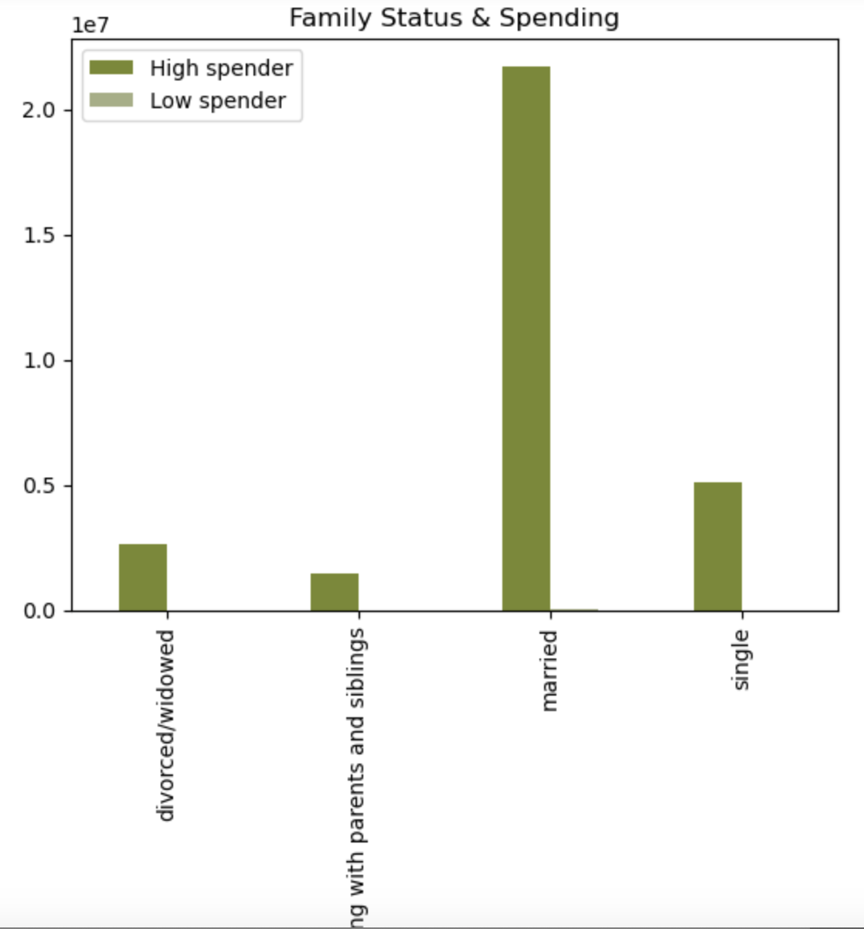
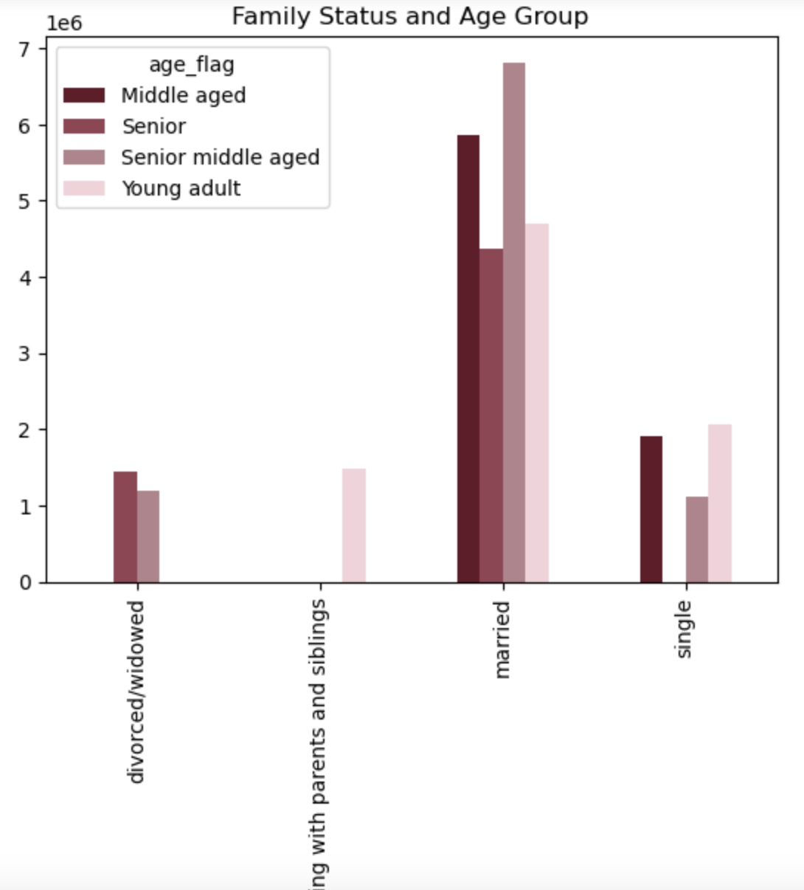
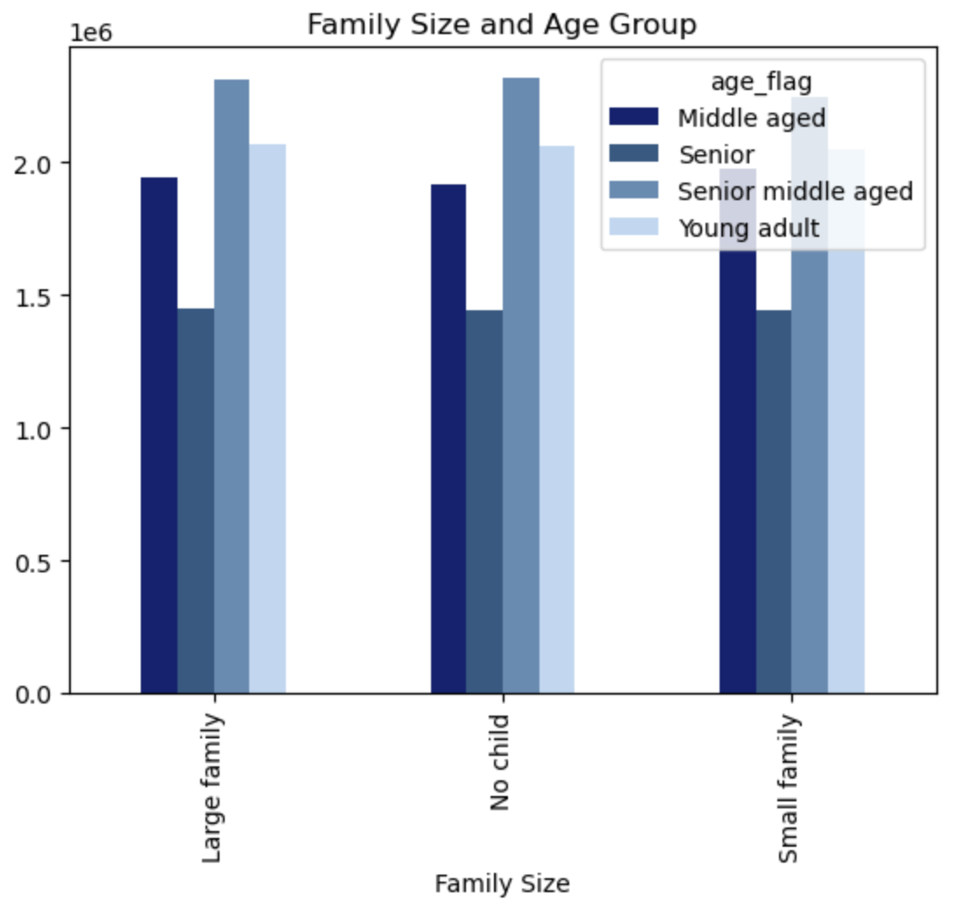
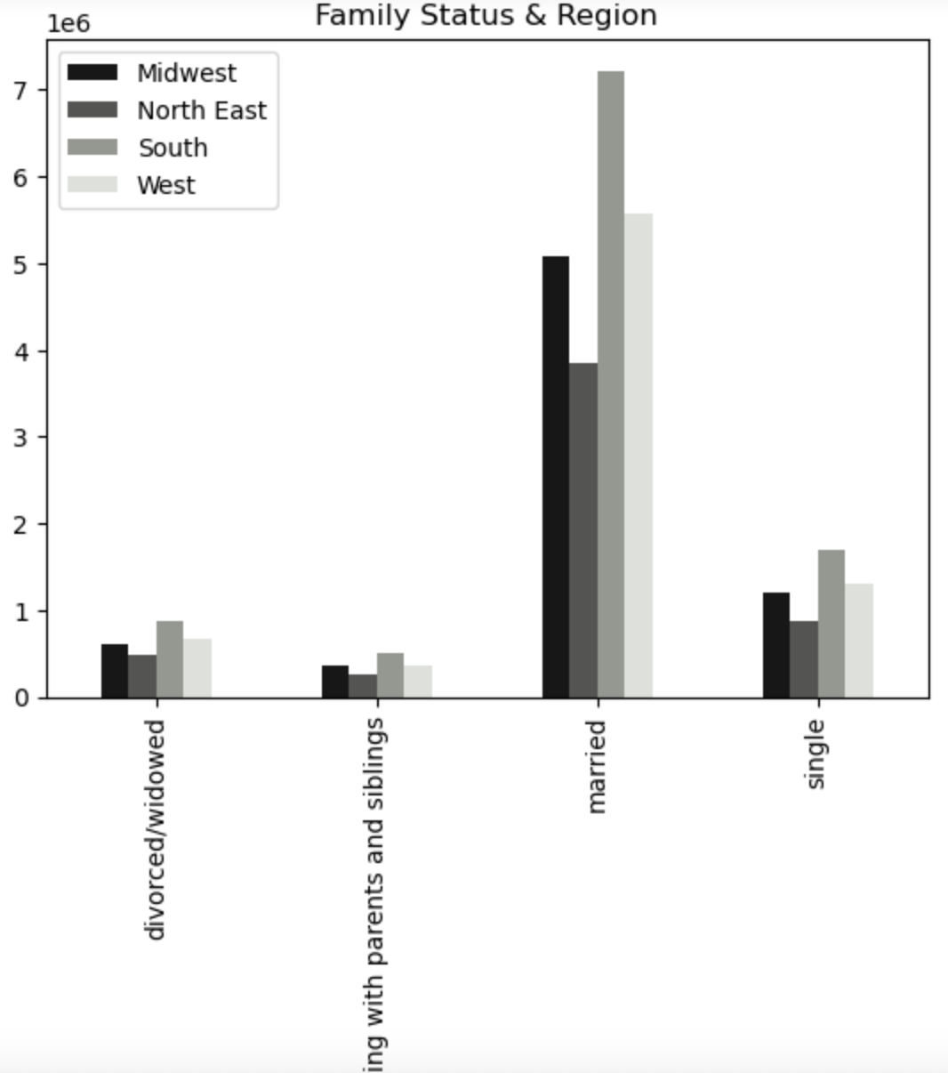
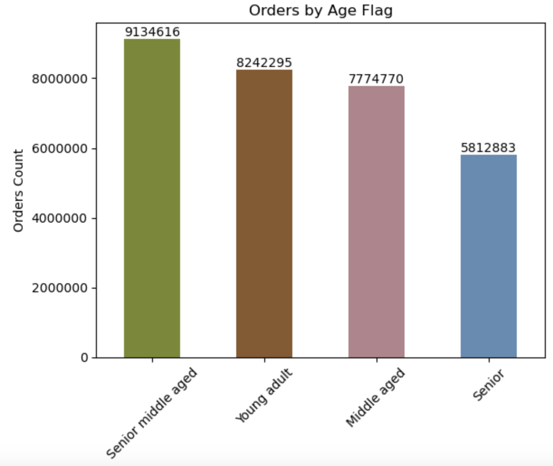
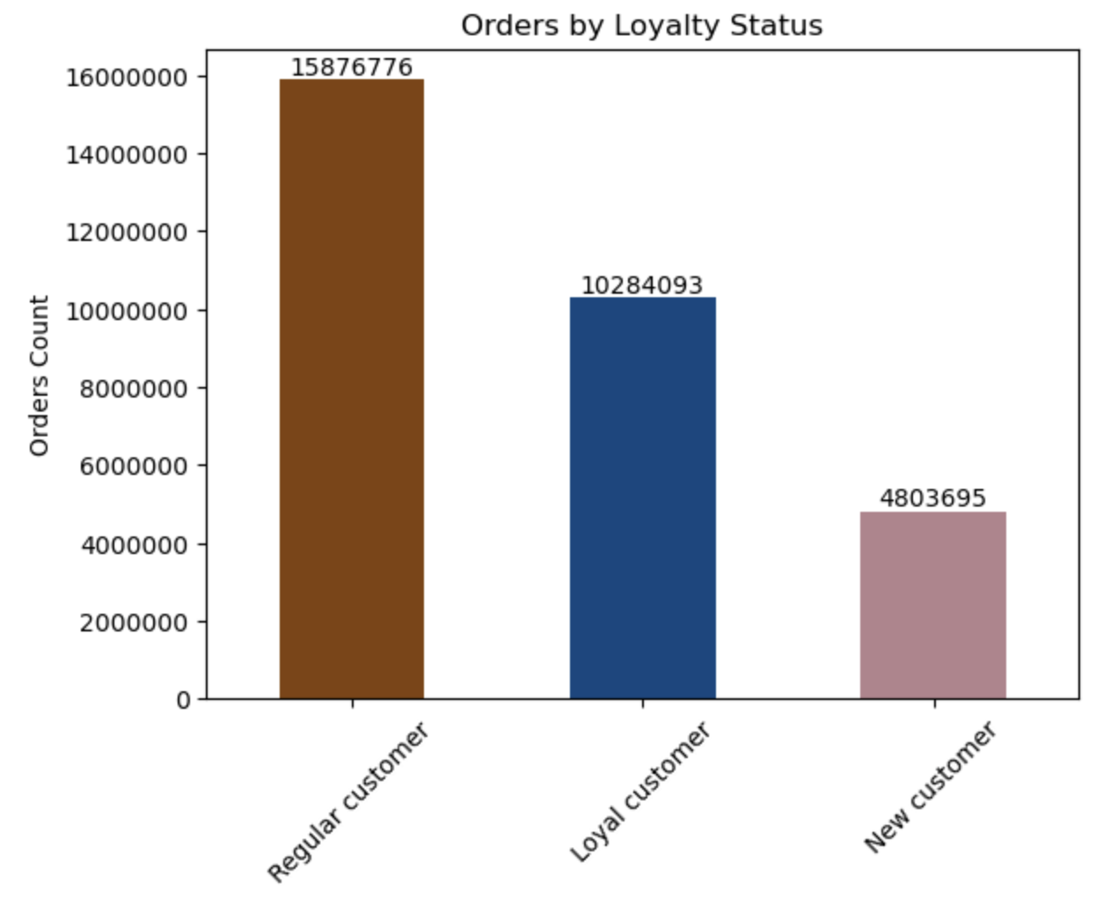
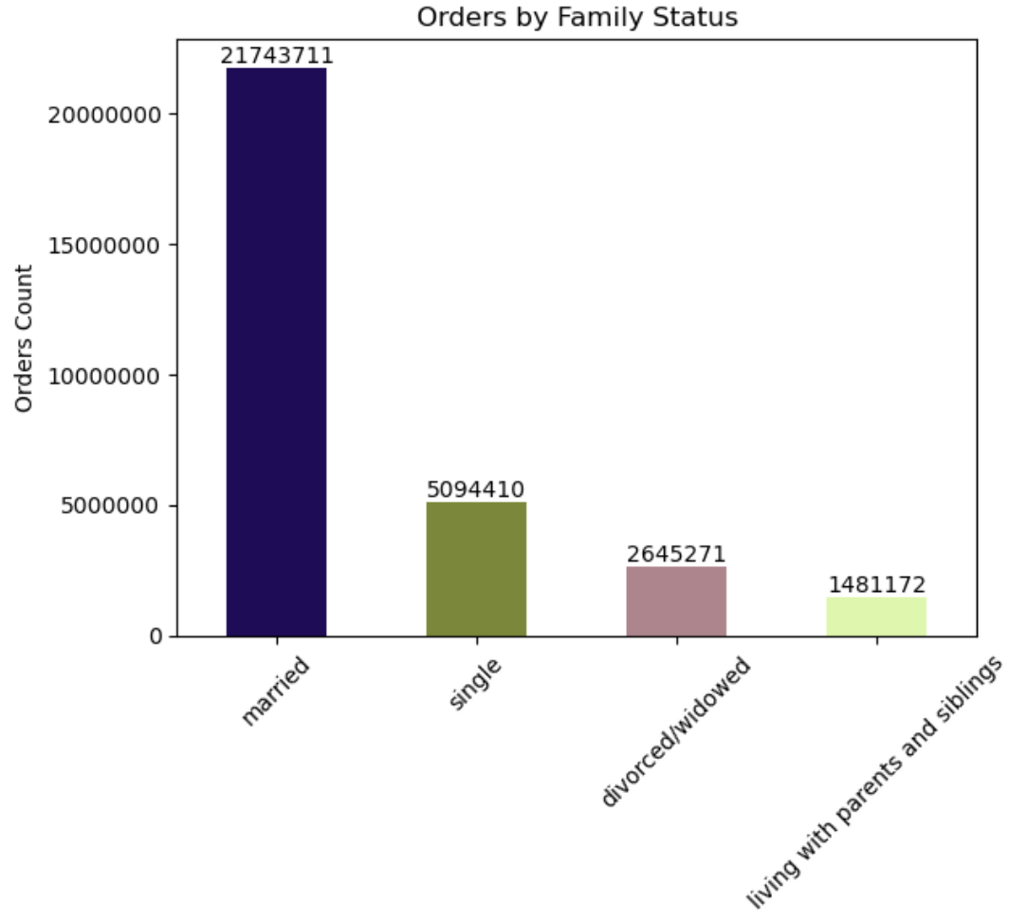
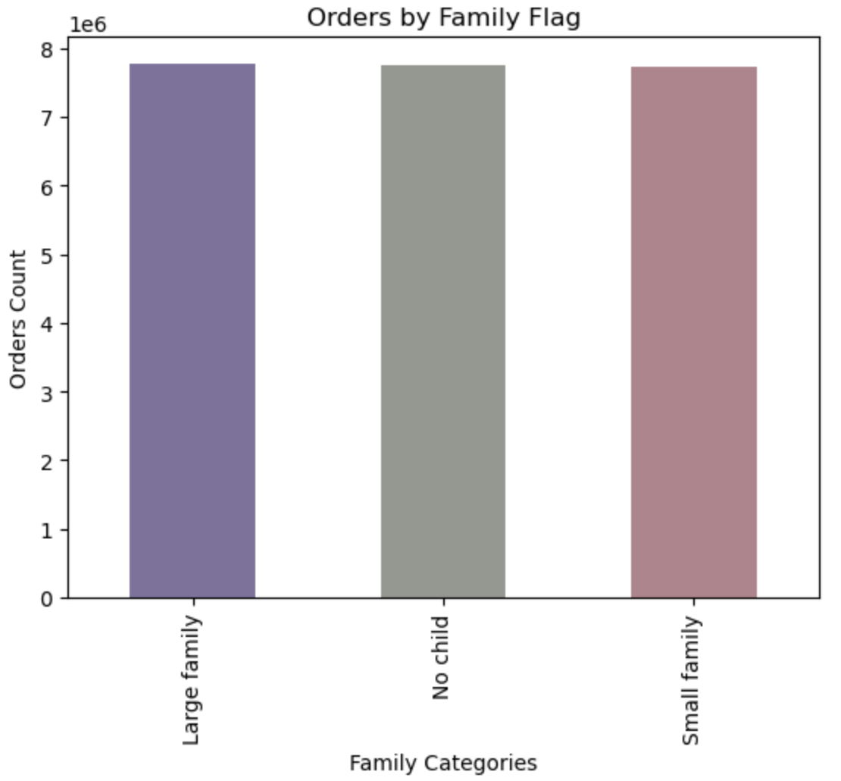
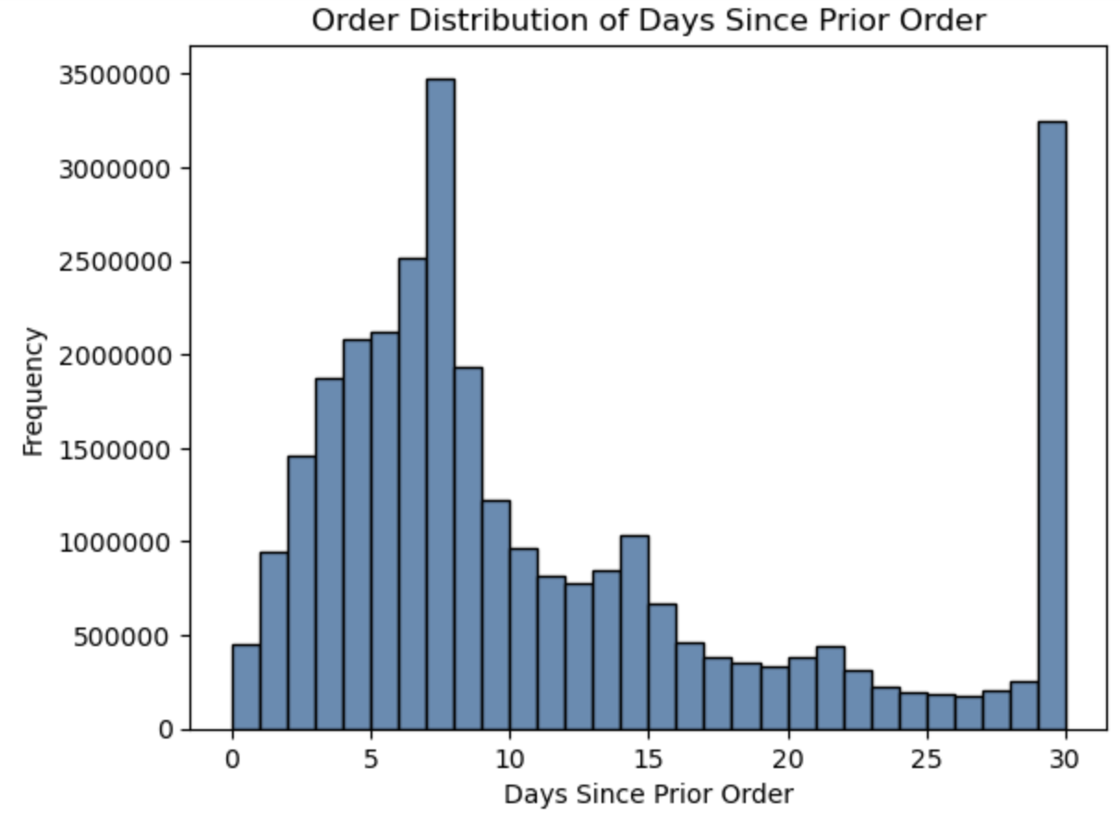
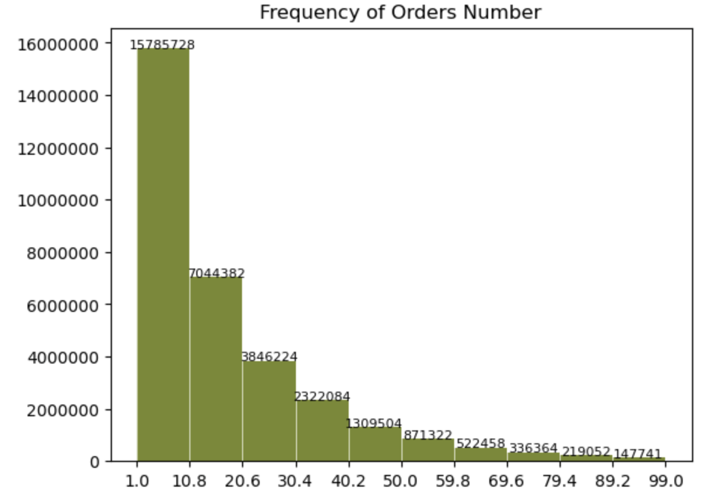
 |  | Title page

Visualisations

In this tab you should include all the visualtions from Exercises 4.9 and 4.10, alongside the questions from the project brief that they answer. Include any commentary on the relationship between different variables.

QUESTION 1:The sales team needs to know what the busiest days of the week and hours of the day are (i.e., the days and times with the most orders) in order to schedule ads at times when there are fewer orders.



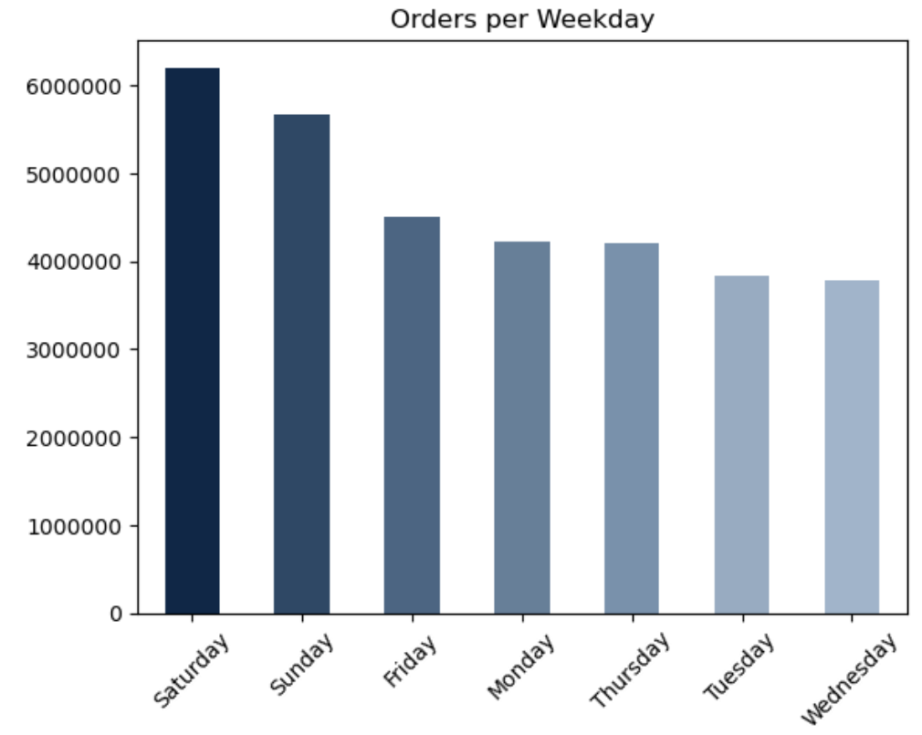
Days
0 | Saturday
1 | Sunday
2 | Monday
3 | Tuesday
4 | Wednesday
5 | Thursday
6 | Friday

Figure 1: this bar chart shows the orders' frquency for each week day. Saturday is the top performing day followed by second close Sunday. Something that makes sense since, as we are gonna discover later, Instacart is addressing families with children. The weekend is the easiest time for shopping.
Figure 2: this bar chart shows the orders' frquency for each hour of the day. The hours 9am-5pm are the busiest times for customers ordering through the app with 10am the top performing. After 5pm the orders' frequency drops gradually. The slowest times are 1-5am. Interestingly there is a small spike at midnight for the night-owl-shoppers!

QUESTION 2: They also want to know whether there are particular times of the day when people spend the most money, as this might inform the type of products they advertise at these times.

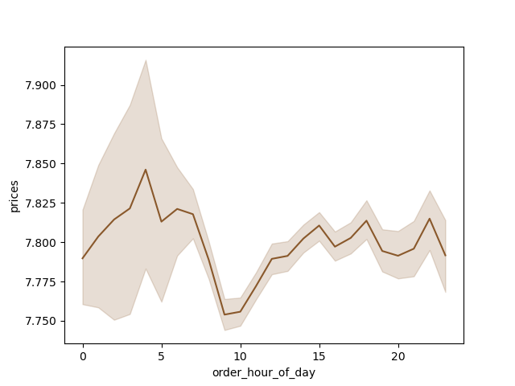

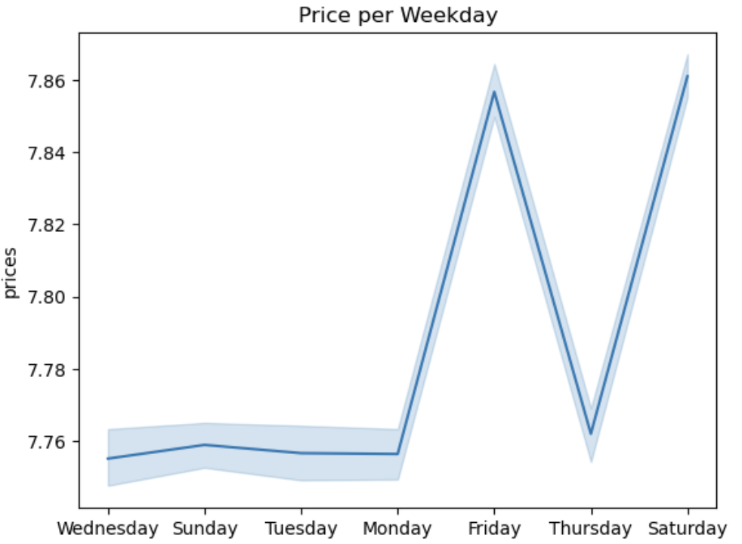

Figure 3: This line chart shows how the prices are developed during the days of the week. Even though we are focused on the hours of the day it is important to review that Sunday which was the 2nd best day for shopping is also one of the lowest in spending.
Figure 4: Looking at the above chart comes to a surprise and contradiction to the previous chart (Figure 2). Earlier we determined most orders occur between 9am-5pm and now we see that even though we have a lot of orders during these times hoewever the prices are very low. The lowest prices occur at the busiest time of the day at 10am! Instead from 12am-5am we have low order frequency but purchasing at higher prices.

QUESTION 3: Instacart has a lot of products with different price tags. Marketing and sales want to use
simpler price range groupings to help direct their efforts.

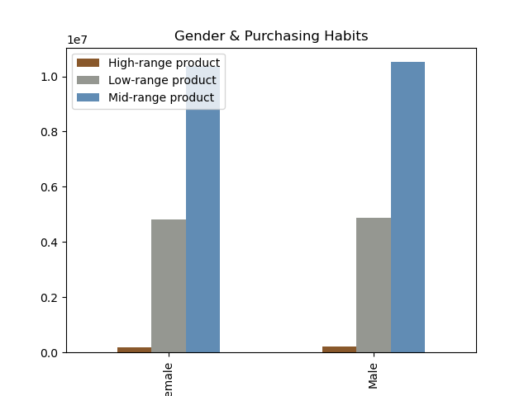

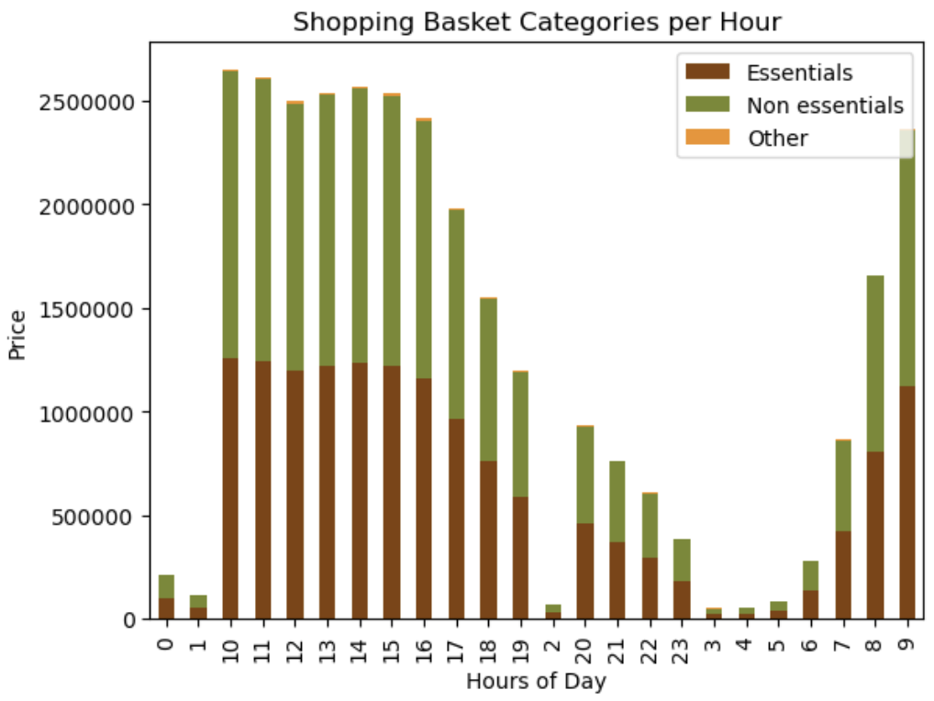
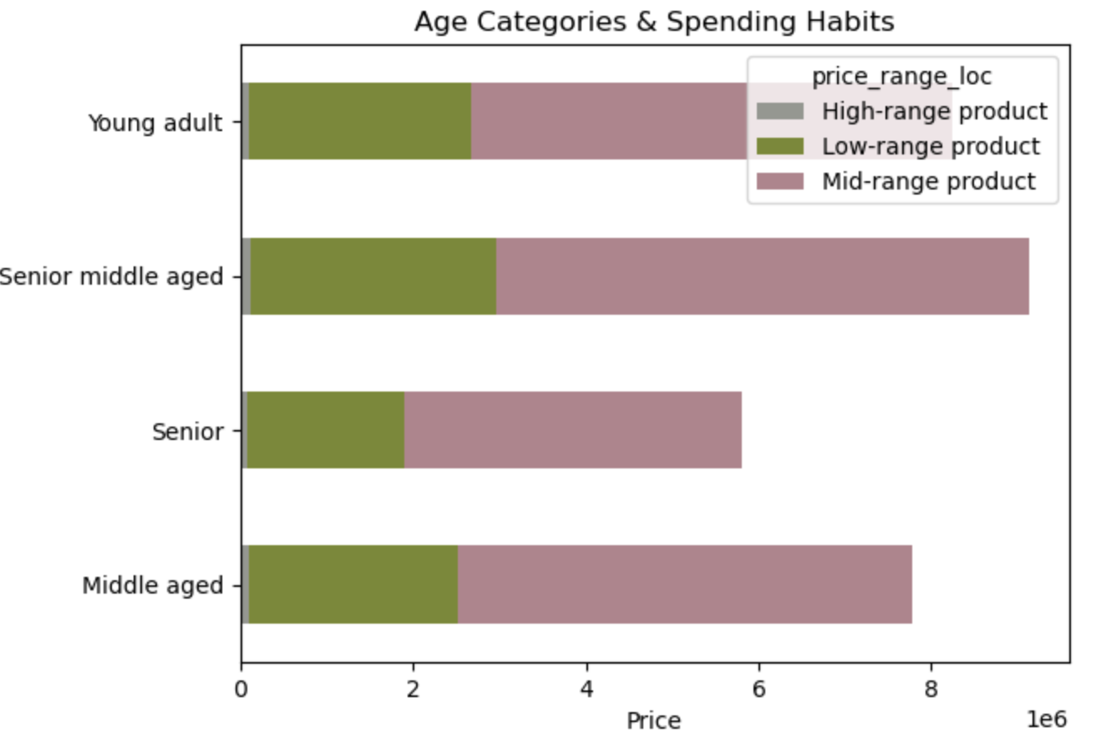
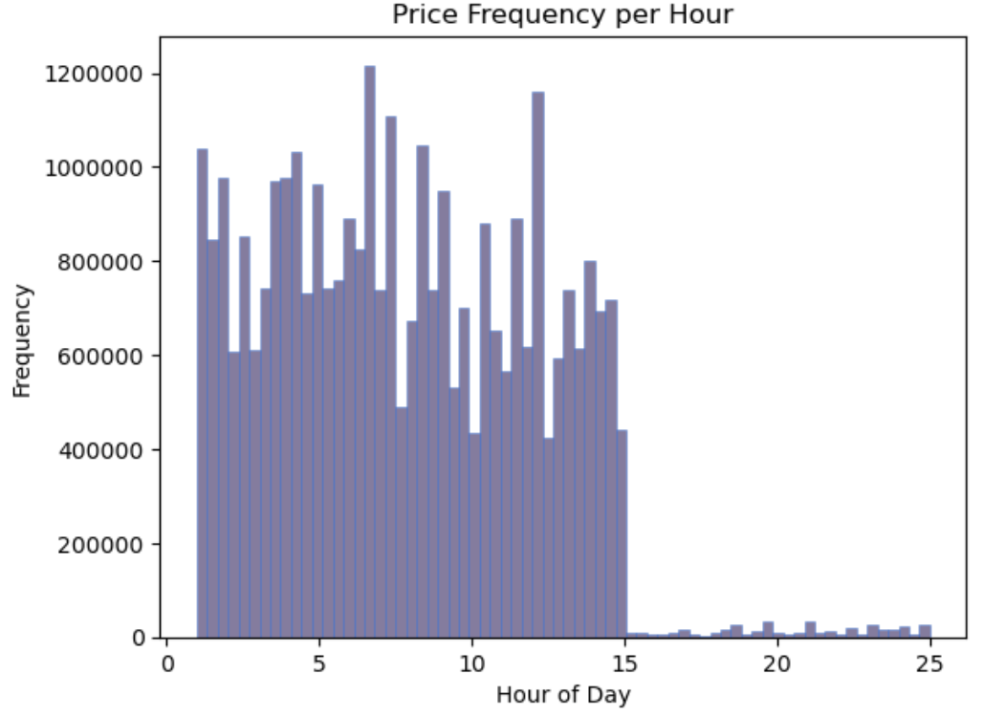

Figure 6: this bar chart shows correlation between the frequency of orders during each hour of the day broken down to the Essential and Non Essential (Alcohol, Deli, Beverages, Pets, Snacks) Categories. However FIgure 5 and 4 charts do not align with the findings from Figure 2 and Figure 6. We need to investigate why.
Figure 8: It is interesting to see that the demographic of the Instacart are Senior Middle Aged customers
Figure 5: this bar chart shows correlation between the frequency of orders during each hour of the day. This bar can be viewed in relation to figure 4 that shows us the pricing during hours of day. It is evident that both charts support the same findings. During the 3-5am we have the highest frequency of orders with the highest pricing items. As we see later Alcohol is the best selling department in Instacart however the pricing of alcohol (max 15€) is not justifying the highest pricing products.
Figure 7: Looking at this chart we understand that there is not much difference in the purchasing habits between female and male customers. That can be becasue in general we've seen that the majority of products purchased in Instacart are medium range products which means that the customers are relatively price driven. But also since most of customers are married it might be the case that the couple agrees in advance on the shopping list and then either the woman or man completes the purchasing.

QUESTION 4: Are there certain types of products that are more popular than others? The marketing
and sales teams want to know which departments have the highest frequency of product
orders.

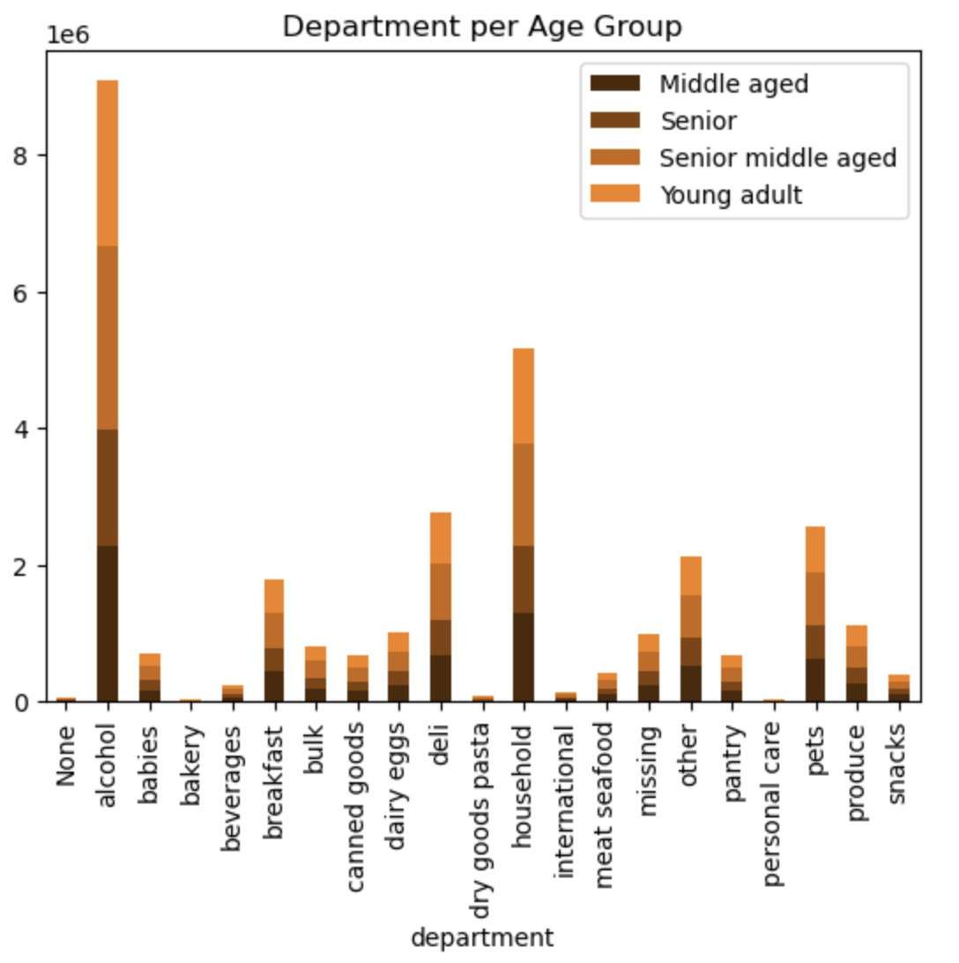
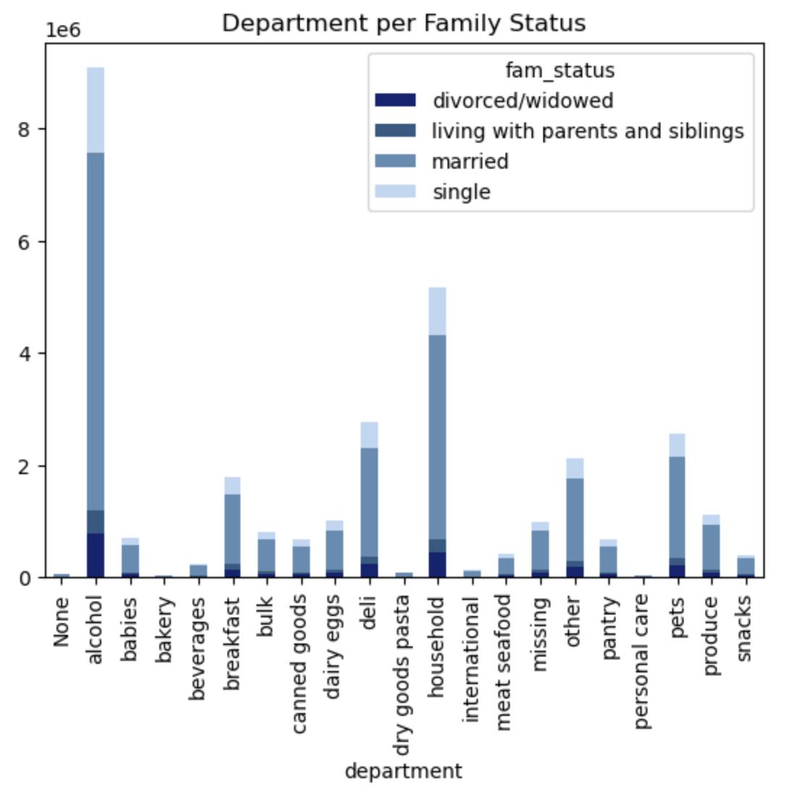
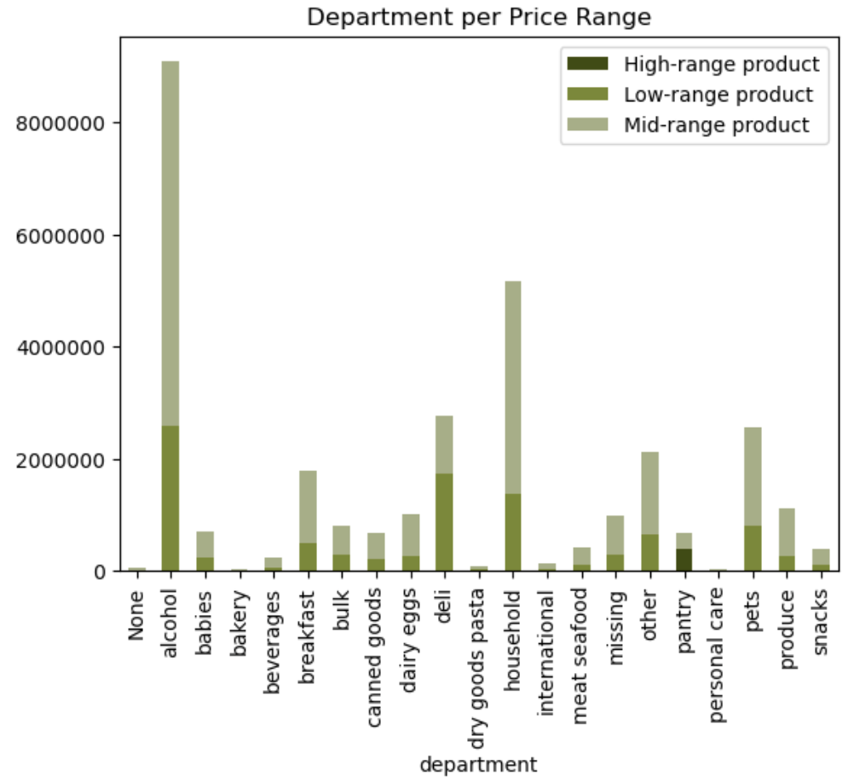
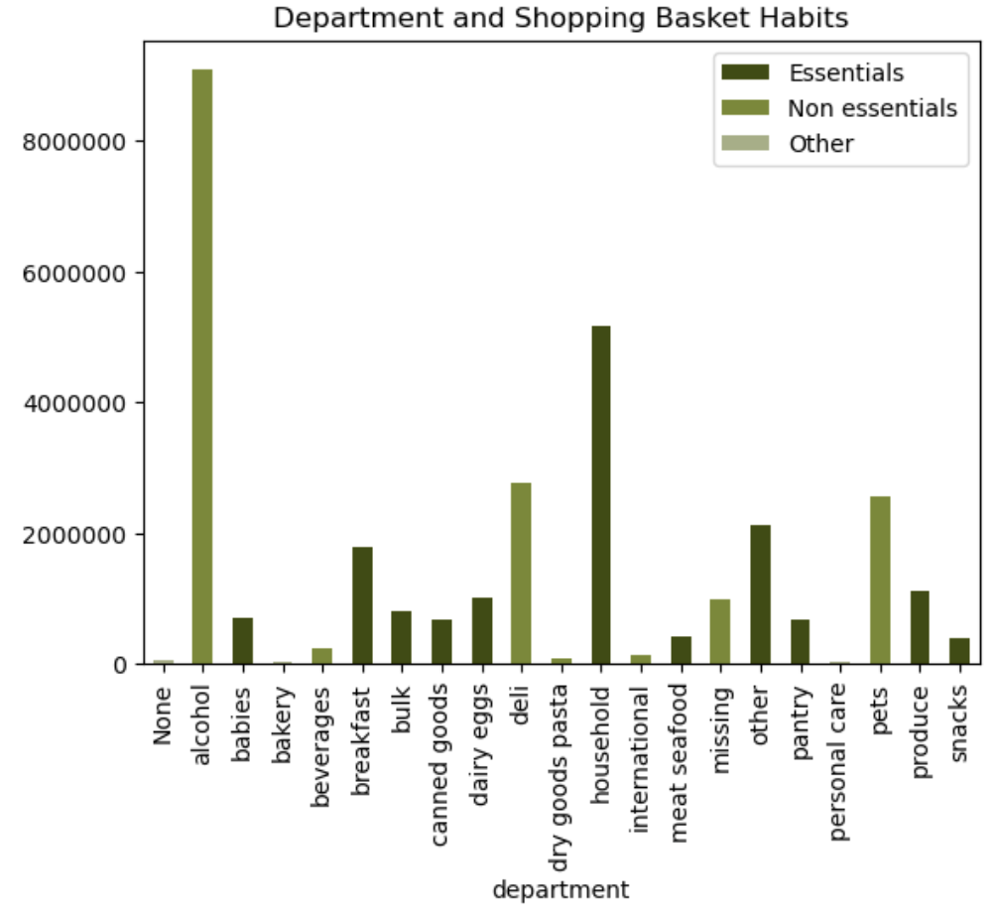

Figure 11: As metnioned earlier alcohol is a mid range category that drives business for Instacart. Followed by Household products and Deli department.
Figure 9: Best selling department is alcohol with significantly the highest orders volume. However is it considered a medium price range category which drives the category to spike.
Figure 10: Married customers (of all ages and in all regions) are pretty much dominating most of the categories which supports all our findings that the core customer for Instacart is married. Far behind is the Single Young Adult and Middle Aged as we will see later on.

QUESTION 5: The marketing and sales teams are particularly interested in the different types of
customers in their system and how their ordering behaviors differ. For example:
● What’s the distribution among users in regards to their brand loyalty (i.e., how
often do they return to Instacart)?
● Are there differences in ordering habits based on a customer’s loyalty status?
● Are there differences in ordering habits based on a customer’s region?
● Is there a connection between age and family status in terms of ordering habits?

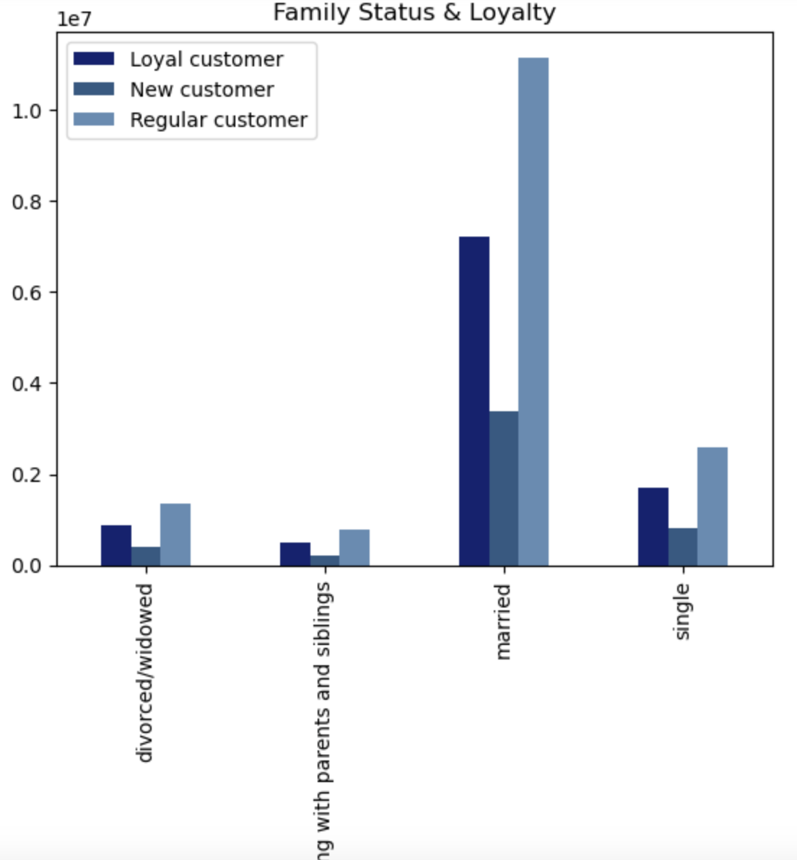
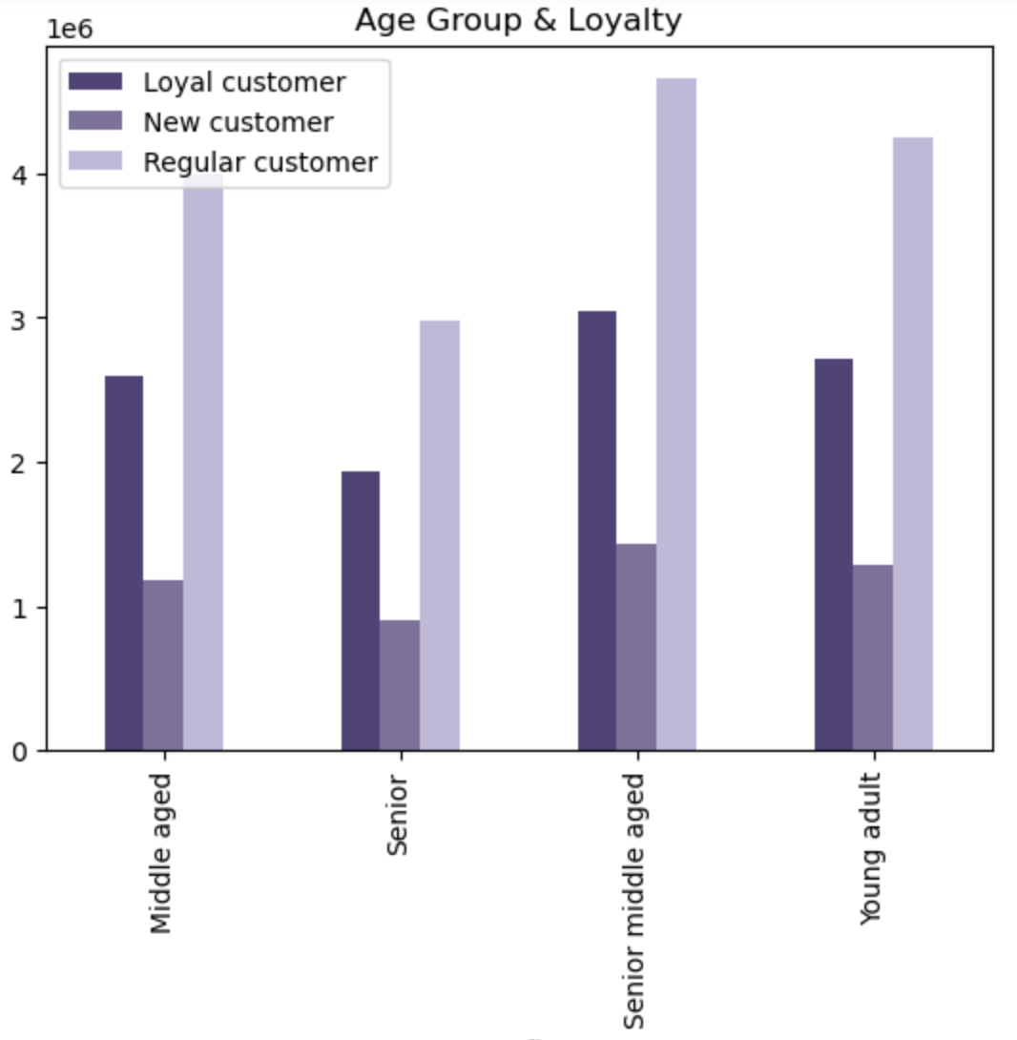
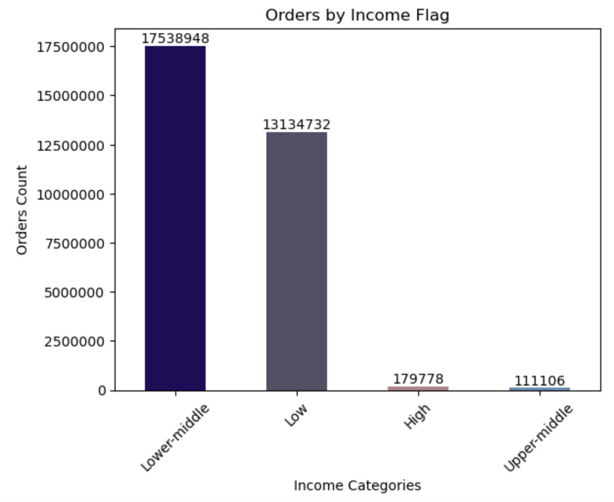

Figure 11: Interestingly here we identify that Loyal customers are not actually the ones driving the business but mainly are the Regular customers. However the Loyal Married customers are performing distinguishly better than any other family status category.
Figure 12: Senior Middle aged group are top with Young adult following close together with Middle aged. Later we will review how this affect the profiling and shopping habits.

7. Recommendations
 |  | Title page

Recommendations

In this tab you should include any recommendations you would made to Instcart in terms of their marketing strategy based on the questions posed in the brief. Every key question has been covered in the Tasks of the Exercises - here you need to add an item - a visualisation or table/crosstable that is showing the answer in the data, acompanied by a comment from you. Please, list the questions below and add the answer underneath.

Question | Answer / Recommendation
What are the busiest days of the week and hours of the day are (i.e., the days and times with the most orders)? | Saturday is the top performing day followed by second close Sunday. Something that makes sense since, as we are gonna discover later, Instacart is addressing families with children. The weekend is the easiest time for shopping. (Please refer to FIgures 1-4)

Are there particular times of the day when people spend the most money? | The hours 9am-5pm are the busiest times for customers ordering through the app with 10am the top performing. After 5pm the orders' frequency drops gradually. The slowest times are 1-5am. Interestingly there is a small spike at midnight for the night-owl-shoppers! the prices are developed during the days of the week. Even though we are focused on the hours of the day it is important to review that Sunday which was the 2nd best day for shopping is also one of the lowest in spending. It comes to a surprise and contradiction to the previous chart (Figure 2). Earlier we determined most orders occur between 9am-5pm and now we see that even though we have a lot of orders during these times hoewever the prices are very low. The lowest prices occur at the busiest time of the day at 10am! Instead from 12am-5am we have low order frequency but purchasing at higher prices. (Please refer to FIgures 1-4)

Could you create simpler price range groupings to help direct their efforts? | Yes we can review the products as 'Essential' , Non-Essential' / 'Low Range', 'Middle Range' and High Range' and then as departments. Please refer to Visualisations Figures 5-8 with commentary

Are there certain types of products that are more popular than others? The marketing and sales teams want to know which departments have the highest frequency of product orders. | Top category by far is Alcohol. Way lower we have Household and then follow Deli, Pets & Other. Everything else are very similar. Please refer to Figures 9-11.

What are the different types of customers in their system and how their ordering behaviors differ. For example: ● What’s the distribution among users in regards to their brand loyalty (i.e., how often do they return to Instacart)? ● Are there differences in ordering habits based on a customer’s loyalty status? ● Are there differences in ordering habits based on a customer’s region? ● Is there a connection between age and family status in terms of ordering habits? | After reviewing all the data I have concluded tha the Instacart customer 'STAR Profile' is as follows: Senior Middle Aged (male or female), married living in the South with their family (from no child to large the results are evenly spread). They are a regular customer and not loyal but high spender but belongs to the lower middle class income bracket. They shop on Saturday mornings. (Please refer to Figures under Questions 5)

What different classifications does the demographic information suggest? Age? Income? Certain types of goods? Family status? | Please see above

What differences can you find in ordering habits of different customer profiles? Consider the price of orders, the frequency of orders, the products customers are ordering, and anything else you can think of. | The main differentiation is between the married customers and the rest. The first group is driving the business and the rest are complimenting. The regions don't really play a big part into the shopping habits nor products. It appears that Instacart has a very specific demographic which means they have defined themselves in the consumers eyes. It is the lower middle class that buy specific products concious of pricing but also they can afford to spend on non essential items like having a pet.

